Sheet1
NN |  |  | SVM |  |  | RF |  | CMSIS
Original (nS) | Fast (nS) | Slow (nS) | Original (nS) | Fast (nS) | Slow (nS) | Original (nS) | Fast (nS) | Original (nS) | Fast (nS) | Algorithm | Original (nS) | Fast (nS) | Slow (nS) | Fast Speed-Up | Slow Speed-Up
12792500 | 14959900 | 121792400 | 65385400 | 69020400 | 111587700 | 55925300 | 56869600 | 5851500 | 4741500 | NN | 16628602 | 16366105 | 124924356 | 1.0160390637 | 0.1331093674
16355100 | 13576200 | 122141700 | 42286800 | 55850800 | 67453100 | 65750900 | 100282800 | 5729900 | 4987600 | SVM | 55842261 | 59187375 | 82313171 | 0.94348264305 | 0.67841221911
14960900 | 16957100 | 124104300 | 97599700 | 77061600 | 78975400 | 105789900 | 59596900 | 4987700 | 3507900 | RF | 70678612 | 68413904 | N/A | 1.0331030371 | N/A
23636500 | 17485600 | 130058400 | 45716500 | 64417800 | 96931700 | 55389200 | 57043000 | 5491600 | 5642300 | CMSIS | 5996452 | 4769367 | N/A | 1.2572846669 | N/A
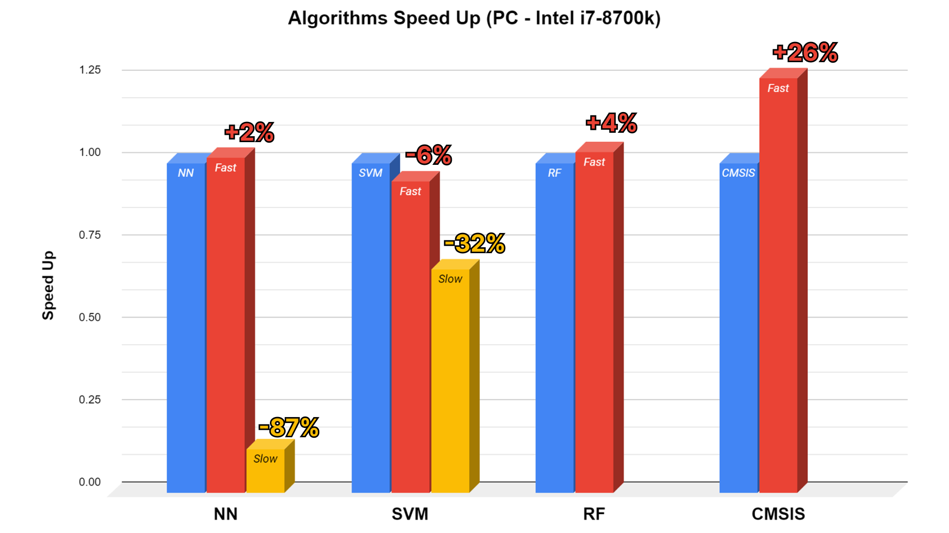
15505200 | 24931600 | 129767300 | 70889800 | 72746300 | 90889200 | 59545500 | 89030900 | 5539200 | 4739000
14894200 | 14783000 | 123804300 | 67141900 | 74816200 | 66822100 | 105800200 | 57046700 | 4986600 | 3990200
13964700 | 15985400 | 139226600 | 60474900 | 44051300 | 106961700 | 56551800 | 63295200 | 6959300 | 3965900
15779900 | 15495200 | 131657300 | 41308200 | 72220000 | 68684400 | 83731800 | 77458700 | 5569600 | 3964000
37892700 | 23936900 | 126244200 | 50724900 | 98005900 | 78992600 | 84036700 | 63577000 | 5515500 | 3853200
14960300 | 16950600 | 124706300 | 46803300 | 48629500 | 67739000 | 64479500 | 57410400 | 4962700 | 4867000
16448900 | 12747200 | 122813100 | 62673600 | 56233200 | 113850500 | 82847200 | 75007900 | 4986800 | 4748700
16299100 | 19341800 | 126052100 | 65463400 | 43897300 | 66488200 | 77549400 | 55844700 | 4986900 | 5614100
35209200 | 16841900 | 129329600 | 41513300 | 63180800 | 77791300 | 59710100 | 78901500 | 4961300 | 5044000
14763000 | 16954800 | 126143400 | 84401500 | 42679300 | 74919500 | 75749800 | 79739000 | 4987300 | 4760600
16955600 | 15025200 | 118390700 | 39769700 | 86732200 | 67330300 | 64236200 | 55337200 | 5640800 | 3989800
12688700 | 13881600 | 122121800 | 97018500 | 44751100 | 87292500 | 58347300 | 88466400 | 7978500 | 3960500
14961500 | 17312900 | 117962500 | 43088300 | 47641100 | 93117400 | 87670000 | 54093300 | 4847000 | 3989200
23446500 | 13325700 | 121004300 | 49565200 | 51909400 | 82399300 | 68426000 | 55845800 | 4986600 | 4523800
15957800 | 22848500 | 134122300 | 47099200 | 67085500 | 64695600 | 56848200 | 78150600 | 4751300 | 4987400
13963100 | 13611800 | 124002100 | 42656500 | 44630300 | 111009400 | 81313100 | 56797600 | 6149900 | 4305400
16479100 | 19947200 | 123111000 | 69927400 | 45701600 | 72740400 | 68782400 | 83817600 | 5984300 | 3587600
16952800 | 15419000 | 125735200 | 66148800 | 40981400 | 86438600 | 56965100 | 58084800 | 5981300 | 12966400
15523100 | 15958900 | 123874100 | 48179800 | 74201100 | 81509700 | 72269200 | 66791300 | 6835500 | 4133400
14785600 | 15930400 | 122532500 | 58580200 | 42288500 | 68857600 | 82620800 | 90838700 | 6981300 | 3989600
15238400 | 15928000 | 127001800 | 52244600 | 92462300 | 88479400 | 80094300 | 60604300 | 5985000 | 6981900
16483100 | 14960600 | 118170200 | 59274800 | 43488100 | 67683800 | 57400000 | 83953600 | 5985500 | 4986600
18834800 | 15331800 | 132391900 | 46482400 | 88396100 | 93630600 | 58395200 | 54305600 | 4987500 | 3989000
15161700 | 13522400 | 119758100 | 63174800 | 39816300 | 87348700 | 86128900 | 58405300 | 4857700 | 3579200
16420300 | 14060500 | 123349400 | 44964700 | 59039500 | 84548000 | 53856800 | 100803200 | 5984300 | 3989600
15837900 | 27326800 | 123418900 | 67703500 | 40645400 | 90017300 | 60152500 | 55680300 | 4986600 | 4967400
13963200 | 14601900 | 123044200 | 40642100 | 58514600 | 92816200 | 79786800 | 66302700 | 5979400 | 5031100
13961400 | 13377300 | 116496200 | 67929300 | 75594400 | 93618300 | 61751100 | 75668400 | 5289900 | 4987400
13962500 | 15423000 | 122326700 | 61834600 | 51154500 | 82062700 | 81239200 | 57675300 | 6981500 | 4984500
17831500 | 13454300 | 126282000 | 43649000 | 41887600 | 69534900 | 52808000 | 71500400 | 7165100 | 4853400
12965700 | 16738600 | 122872100 | 54825500 | 67944400 | 93996800 | 57640700 | 54849700 | 5982900 | 3851900
13551900 | 13940100 | 121656600 | 62943400 | 41319200 | 83776300 | 99288900 | 68822900 | 4985200 | 3988800
18950300 | 15382600 | 119203300 | 66621000 | 51098900 | 87298300 | 57934200 | 79845400 | 6254400 | 3990300
25934400 | 17549000 | 120772600 | 58697700 | 81882400 | 66215300 | 90663800 | 57251600 | 8607000 | 5724900
13963500 | 14572700 | 128303400 | 43172000 | 44401000 | 88972500 | 63931900 | 71280000 | 5637000 | 4984900
14285400 | 14960500 | 129951600 | 74345200 | 84726500 | 77742000 | 59449400 | 82338000 | 5695300 | 4986500
15958000 | 14476800 | 129832200 | 43190300 | 43732700 | 69159200 | 77814700 | 54622300 | 5984600 | 4986900
13610500 | 15292900 | 127714700 | 79555900 | 41330900 | 117427200 | 79723300 | 71479400 | 5984700 | 4502200
20945200 | 22939100 | 123029500 | 42134700 | 84989600 | 65131500 | 54395100 | 62145700 | 6379100 | 4981200
14757100 | 12965900 | 122753800 | 54387300 | 41114100 | 73801600 | 78451000 | 64415300 | 6256700 | 6540300
15770900 | 15748300 | 124660200 | 42288400 | 72729900 | 91179200 | 65993700 | 94421300 | 6131100 | 4707500
18951300 | 15918400 | 127973400 | 59412100 | 44997600 | 75402000 | 54200900 | 55216500 | 6425200 | 4984600
14320000 | 14936100 | 121810200 | 46668900 | 75263000 | 76601600 | 95597700 | 83805000 | 6645900 | 5960000
22279900 | 14962000 | 134156000 | 45877100 | 47101800 | 90192300 | 72576100 | 54022200 | 7009000 | 4693300
12966800 | 15757100 | 114030300 | 46341300 | 63974600 | 68524200 | 54117000 | 58150900 | 5985600 | 4986900
16047900 | 15957300 | 117719900 | 83265800 | 43805000 | 88282400 | 72281700 | 94285500 | 6981400 | 4794600
16102400 | 17760700 | 127266200 | 38974100 | 41986100 | 90417300 | 72308100 | 54795600 | 4986500 | 3793300
13366400 | 14957700 | 124349700 | 62008400 | 81865900 | 67237600 | 55954700 | 101603700 | 6980900 | 3989000
26495700 | 15734300 | 119816200 | 61975500 | 44678800 | 104864300 | 83893500 | 52727900 | 5984000 | 4987500
15481400 | 15346200 | 135660500 | 42744700 | 44821300 | 71435800 | 61032400 | 58234500 | 6337900 | 4986900
13805500 | 18949900 | 139436200 | 80928700 | 61847700 | 106231300 | 75124700 | 97543500 | 7386300 | 3962500
13037600 | 15655000 | 126853400 | 44573500 | 51728900 | 66711900 | 85051100 | 54325900 | 4989900 | 4231000
13775800 | 13963600 | 126521100 | 48988800 | 44682100 | 87853200 | 55063500 | 65557700 | 5301400 | 3989800
17952900 | 13936100 | 125196000 | 74022000 | 77411000 | 75022200 | 81884000 | 57714300 | 4987600 | 4950400
14960600 | 13938300 | 115234400 | 40555100 | 48177000 | 75238000 | 88382600 | 55155000 | 10970900 | 4987000
13536500 | 27630200 | 123369100 | 66523200 | 43777600 | 87270400 | 54126400 | 107055100 | 5983900 | 3990300
15958800 | 14627500 | 127811100 | 61288100 | 91855000 | 76663700 | 73575700 | 54938500 | 4762000 | 3989800
15840000 | 14580200 | 118295400 | 54948000 | 45570100 | 67986100 | 76802500 | 71574900 | 6427100 | 5984600
12965600 | 14937700 | 134443400 | 41269500 | 78156500 | 91417900 | 72669300 | 58560000 | 5972600 | 6982500
14482000 | 13964300 | 117438400 | 76985700 | 99859200 | 90281200 | 56840900 | 58873500 | 7614400 | 11969400
19947000 | 34902600 | 131834100 | 42838800 | 45127600 | 77020800 | 83186400 | 57669700 | 7823600 | 4983800
13963000 | 13861500 | 153868000 | 40212700 | 83717300 | 77267100 | 72377700 | 72483500 | 5599600 | 3936500
12966200 | 13938300 | 130495900 | 84575500 | 44176300 | 76575300 | 73966600 | 72918600 | 5777900 | 3990100
14807400 | 13520700 | 121963600 | 41217700 | 72805300 | 73103100 | 55094500 | 67864900 | 4986900 | 3988700
15958800 | 15774700 | 128936400 | 46876400 | 47854100 | 65332300 | 76042900 | 58638200 | 5338600 | 3497200
14960200 | 13772800 | 117110800 | 70022700 | 42845000 | 88822900 | 53926600 | 83069200 | 5980900 | 4975700
13690400 | 13405700 | 118399700 | 43883100 | 110138700 | 68316200 | 78593600 | 59895400 | 6430200 | 4523600
13799100 | 14961700 | 138723900 | 45878200 | 56712700 | 77065900 | 68958600 | 72024700 | 6530400 | 4952400
15654900 | 21083900 | 129955800 | 85630300 | 50347000 | 80082800 | 56702000 | 58228400 | 5981200 | 5018500
34718000 | 15466700 | 118997700 | 41284400 | 77058200 | 75423700 | 85588600 | 79610400 | 5858900 | 4985100
14408300 | 14806600 | 126556800 | 49160200 | 69658400 | 76103400 | 61617000 | 77018800 | 6940300 | 4529900
12966000 | 13961900 | 120249600 | 56795400 | 48320900 | 118744500 | 58267100 | 56777700 | 6697600 | 3989400
12680300 | 16293800 | 124557100 | 42349700 | 74122100 | 70456300 | 81154700 | 60746900 | 5984700 | 4987700
14484500 | 15422100 | 136476700 | 67168200 | 46335400 | 90885300 | 66946900 | 80956500 | 5341600 | 3989800
14959600 | 13958300 | 127340900 | 59167900 | 58120000 | 70987500 | 55577400 | 54398000 | 8976000 | 3989400
13798900 | 16017400 | 121421700 | 63112000 | 71175900 | 86043100 | 83075000 | 79101700 | 7267800 | 5116500
15610200 | 15957500 | 123823000 | 37898900 | 43882700 | 67572300 | 76150300 | 54944300 | 4984900 | 4338700
16282100 | 16523700 | 115635000 | 56822900 | 47601600 | 93730200 | 58314400 | 81262800 | 5392500 | 4496900
15623500 | 15504500 | 118110700 | 57507500 | 89305900 | 81591600 | 57692900 | 58897700 | 4535000 | 4844600
12966300 | 15593600 | 126749300 | 42888500 | 42703100 | 80175100 | 93970100 | 70525400 | 5001400 | 3990300
13797800 | 14961400 | 122078400 | 68356800 | 43684900 | 77792100 | 55036800 | 74143100 | 6981400 | 3841300
16156400 | 14667800 | 128632000 | 41980200 | 65887400 | 64302400 | 104997300 | 54623100 | 5983900 | 4849500
35528300 | 16954600 | 125746500 | 54086900 | 43011100 | 67498300 | 52770500 | 56174900 | 4985800 | 7119200
13962400 | 13962800 | 121276300 | 62730100 | 56084400 | 123841000 | 63805200 | 106405200 | 5354000 | 3990600
14836200 | 20944800 | 121591800 | 42926000 | 64476400 | 67346700 | 102161800 | 54855300 | 4987200 | 3275800
17182300 | 14695300 | 132319900 | 79012400 | 45192300 | 70252700 | 56090400 | 54566400 | 4701300 | 4985500
20661000 | 14659700 | 122708900 | 41312800 | 44973900 | 85145200 | 64610900 | 77365400 | 5935700 | 4846500
13814900 | 18262000 | 122021400 | 56968000 | 70460400 | 74638700 | 82058000 | 57820700 | 6125400 | 4322300
13611300 | 18276300 | 125043400 | 62083200 | 42127100 | 87058000 | 60077300 | 89445700 | 6333500 | 4493900
13793000 | 20840800 | 120249300 | 48675300 | 66411400 | 87297600 | 84415700 | 57683300 | 7000400 | 4073600
14511100 | 14767500 | 119998400 | 41774000 | 40817300 | 73639500 | 55209500 | 52208000 | 7455900 | 3832100
31861400 | 14522100 | 126853000 | 57118900 | 85386900 | 133219400 | 69804800 | 86227900 | 6602200 | 5560800
13778800 | 14744100 | 118551100 | 57143600 | 46449600 | 73125700 | 92951900 | 64604800 | 5548400 | 4987500
15958200 | 22935200 | 115211700 | 52751400 | 44401500 | 68981200 | 59966300 | 74046700 | 4987500 | 3989100
19309600 | 19881400 | 127934700 | 50171800 | 85825900 | 109668300 | 59916400 | 58373600 | 5763300 | 4987100
13962000 | 16532600 | 119944300 | 40015200 | 44978600 | 66660500 | 78067200 | 65975000 | 5983900 | 3989100

